Calendar 2027
 |  |  | 2027 Calendars - Order List
 | Customer Name: |  |  | Date:
 | Contact:
 | Shipping Address:
 |  |  |  |  | Webstie | www.ettonbookstore.com
S/N | SKU | Pic | Title | Description | Unit Price SGD | Unit Price (1-10pcs) | Unit Price (11-50pcs) | Unit Price (51pcs +) | QTY | Amount | Remarks
 |  |  |  |  |  | 10% off | 15% off | 20% off
1 | 9555483801459 | 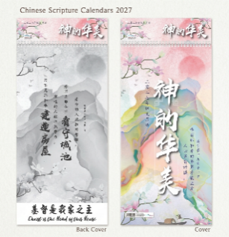 | SBWC51117-AM Wall Calendar -Chinese Scripture Calendar 2027 -神的华美（Bilingual） | Language: Bilingual Chinese & English Page Count: 7 Binding: Wire binding Features: – 2-Month-to-View Layout – Bilingual Chinese & English Dates – Daily Bible Blessing Words – Meaningful Christian Gift Materials: Cardstock, metal, paper, photo & imaging paper Size: 34(W) x 73.8(H) cm Cover Sheet: 34(W) x 65.8(H) cm Content Sheet: 34(W) x 57.8(H) cm Packaging: OPP | $7.90 | $7.10 | $6.70 | $6.30
2 | 9555483835546 | 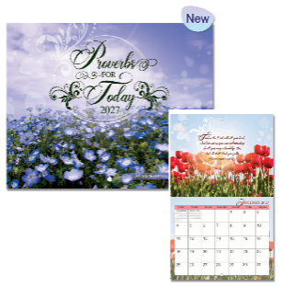 | SEWC53135-AM Wall Calendar 2027 -Proverbs for today | With inspirational scripture verses, staple binding, Cover printed on 250gsm art card, Content printed on 128gsm art paper. Size: 30(W) x 22.5(H) cm 140 copies / carton Proverbs For Today Featuring beautiful photographs of flowers, this wall calendar comes with verses from the Book of Proverbs, providing wisdom and guidance. Perfect for those who love flowers and are looking to be inspired. | $8.90 | $7.90 | $7.50 | $7.10
3 | 9555483835553 | 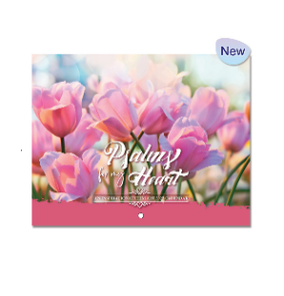 | SEWC53136-AM Wall Calendar 2027 -Psalms From My Heart | Psalms From My Heart Delight yourself in the delicate beauty of flowers and the intricate craftsmanship of our Maker. Psalms from my heart portrays beautiful flowers and Scriptures from the Book of Psalms. | $8.90 | $7.90 | $7.50 | $7.10
4 | 9555483835560 | 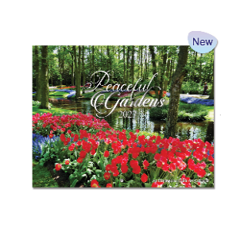 | SEWC53137-AM Wall Calendar 2027 -Peaceful Gardens | Peaceful Gardens presents scenic lush gardens displaying the Father's pleasure and delight through His beautiful creations. Find peace and rest in the comfort of Scripture verses as you reflect on nature's tranquility. | $8.90 | $7.90 | $7.50 | $7.10
5 | 9555483835577 | 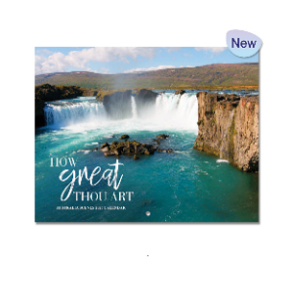 | SEWC53138-AM Wall Calendar 2027 -How Great Thou Art | How Great Thou Art features magnificent sceneries of Australia's renowned landscapes and Scripture verses that magnify His greatness. Be submerged in the beauty of His creations as you ponder on each scripture. | $8.90 | $7.90 | $7.50 | $7.10
6 | 9555483835584 | 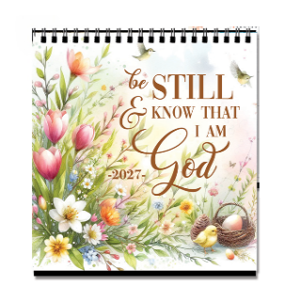 | SETC5592-AM Desk Calendar 2027 -Be still & know | With inspirational scripture verses, Wire O binding with sturdy easel, Cover and content printed on 200gsm art cards. 100 copies/carton Size: 17.7(L) x 8(W) x 19(H) cm SGD 10.90/pc Invite serenity, mindfulness and divine peace into your daily routine with our 2027 "Be still & know" desk calendar. Masterfully designed to create an oasis of calm on your desk, this collection combines gorgeous, rich watercolour illustrations with deeply comforting scriptures. Each page serves as a gentle daily reminder to slow down, breathe, and find your center amidst a busy year. | $10.90 | $9.80 | $9.30 | $8.70
7 | 9555483835591 | 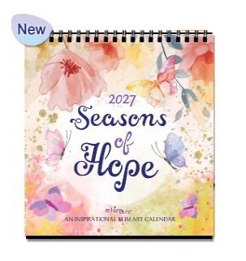 | SETC5593-AM Desk Calendar 2027 -Seasons of hope | Brighten up your days and cultivate a peaceful heart with our 2027 "Seasons of hope" Desk Calendar. Bursting with vibrant colours, elegant floral illustrations, and playful butterflies, this calendar brings a fresh wave of joy and spiritual encouragement to your desk every single month. It is the perfect blend of artistic beauty, practical organization, and timeless faith. | $10.90 | $9.80 | $9.30 | $8.70
8 | 9555483835607 | 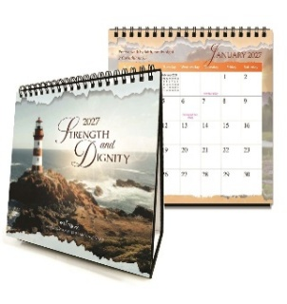 | SETC5594-AM Desk Calendar 2027 -Strength and dignity | Bring daily inspiration, peace and organization to your workspace with our premium 2027 "Strength and Dignity" desk calendar. Designed to blend elegant functionality with powerful, uplifting scripture, each month features breathtaking nature photography paired with carefully selected verses to keep you grounded, motivated and inspired throughout the year. | $10.90 | $9.80 | $9.30 | $8.70
9 | 20260801-C | 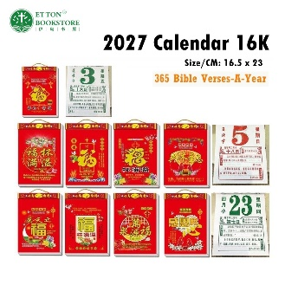 | 365 Bible Verses-A-Year 2027 Page-A-Day Desk Calendar | Features: DAILY COMFORT AND HOPE: Gorgeous photos including mountain meadows, gorgeous flowers, idyllic beaches, and more accompany beloved Chinese Union Version (CUV) Bible verses to brighten each day. INSPIRATIONAL GIFT: This Page-A-Day calendar offers a simple way to connect with the wisdom of the Bible daily, making it ideal for anyone who wants to add faith and encouragement to their days. Pages: 367 Size/CM: 16.5 X 23 Weight /KG: 0.44 Packing: OPP | $8.90 | $7.90 | $7.60 | $7.20
 |  |  |  | Grand Total |  |  |  |  | 0 | 0

